NBA_Atlantic_East
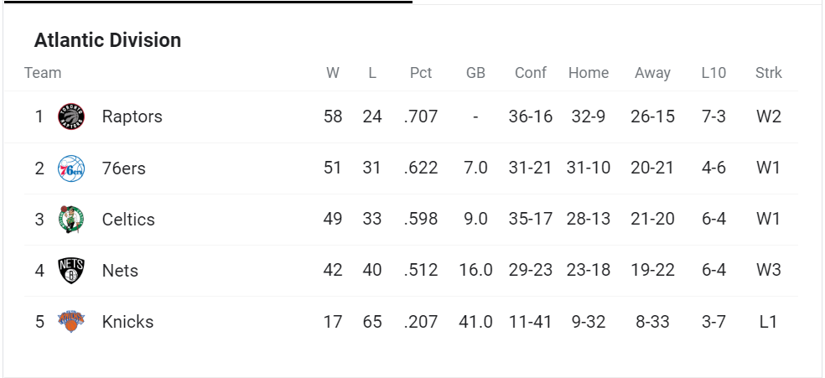

Chitest |  | Division
obs | exp
12 | 8
8 | 8
10 | 8
8 | 8
2 | 8 | 0.1358882254

